Clusters
Final | 6
 |  |  | 23 | 44 | 36 | 10 | 26 | 12
Row Labels |  |  | Cluster 1 | Cluster 2 | Cluster 3 | Cluster 4 | Cluster 5 | Cluster 6
Antigua & Barbuda |  |  | Australia | Algeria | Afghanistan | Albania | Angola | Antigua & Barbuda
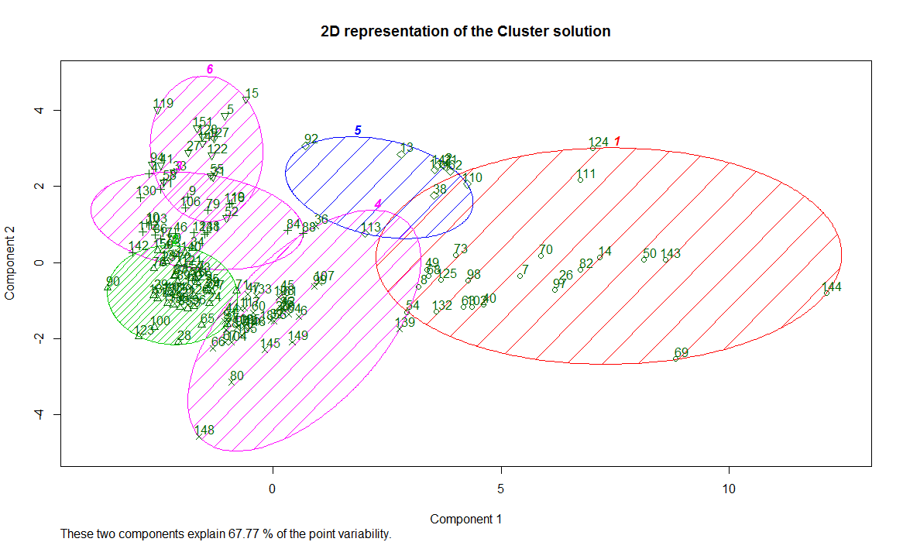
4
1
3
5
Belize |  |  | Austria | Benin | Argentina | Belarus | Bahamas | Belize
Cape Verde |  |  | Belgium | Burkina Faso | Bolivia | Bulgaria | Bahrain | Cape Verde
Comoros |  |  | Canada | Burundi | Brazil | Czechoslovakia | Bangladesh | Comoros
Grenada |  |  | Denmark | Cambodia | Chile | Hungary | Barbados | Grenada
Seychelles |  |  | Finland | Cameroon | Colombia | Mongolia | Bhutan | Seychelles
Solomon Islands |  |  | France | Central African Republic | Costa Rica | Poland | Botswana | Solomon Islands
St. Lucia |  |  | Greece | Chad | Cuba | Romania | China | St. Lucia
St. Vincent and the Grenadines |  |  | Iceland | Congo | Dominican Republic | Russia | Djibouti | St. Vincent and the Grenadines
Turkey |  |  | Ireland | Cyprus | Ecuador | Ukraine | Equatorial Guinea | Turkey
Vietnam |  |  | Israel | Democratic Republic of the Congo | Egypt |  | Fiji | Vietnam
Zimbabwe |  |  | Italy | Gabon | El Salvador |  | Gambia | Zimbabwe
Grand Total |  |  | Japan | Ghana | Ethiopia |  | Guinea-Bissau
 |  |  | Luxembourg | Guinea | Guatemala |  | Guyana
 |  |  | Netherlands | Indonesia | Haiti |  | Lesotho
 |  |  | New Zealand | Ivory Coast | Honduras |  | Malawi
 |  |  | Norway | Jamaica | India |  | Maldives
 |  |  | Portugal | Jordan | Iran |  | Malta
 |  |  | South Africa | Kenya | Iraq |  | Mozambique
 |  |  | Spain | Kuwait | Lebanon |  | Oman
 |  |  | Sweden | Laos | Liberia |  | Papua New Guinea
 |  |  | United Kingdom | Libya | Mexico |  | Qatar
2
 |  |  | United States of America | Madagascar | Myanmar |  | Samoa
 |  |  |  | Malaysia | Nicaragua |  | Suriname
 |  |  |  | Mali | Pakistan |  | Swaziland
 |  |  |  | Mauritania | Panama |  | United Arab Emirates
 |  |  |  | Mauritius | Paraguay
 |  |  |  | Morocco | Peru
 |  |  |  | Nepal | Philippines
 |  |  |  | Niger | Saudi Arabia
 |  |  |  | Nigeria | Syria
 |  |  |  | Rwanda | Thailand
 |  |  |  | Senegal | Uruguay
 |  |  |  | Sierra Leone | Venezuela
 |  |  |  | Singapore | Yemen Arab Republic
 |  |  |  | Somalia | Yugoslavia
 |  |  |  | Sri Lanka
 |  |  |  | Sudan
 |  |  |  | Tanzania
 |  |  |  | Togo
 |  |  |  | Trinidad and Tobago
 |  |  |  | Tunisia
 |  |  |  | Uganda
 |  |  |  | Zambia
 |  |  | Cluster 1 | Cluster 2 | Cluster 3 | Cluster 4 | Cluster 5 | Cluster 6
 |  | Ideal Points (+ = Liberal, - =conservative) | 4 | 2 | 3 | 1 | 2 | 2
 |  | Palestinian Conflict (me) | 1 | 3 | 2 | 2 | 3 | 4
 |  | Nuclear Weapons/Material (nu) | 1 | 3 | 2 | 1 | 3 | 3
 |  | Arms Control & Disarmament (di) | 1 | 3 | 2 | 1 | 3 | 4
 |  | colonialism (co) | 1 | 3 | 2 | 2 | 3 | 3
 |  | human rights (hr) | 1 | 3 | 3 | 3 | 3 | 3
 |  | economic Development (ec) | 1 | 3 | 2 | 2 | 3 | 3
 |  | procedural/structural (ps) | 2 | 3 | 4 | 1 | 2 | 1
 |  | africa (af) | 1 | 3 | 3 | 3 | 3 | 3
 |  | security council (sc) | 1 | 3 | 3 | 2 | 2 | 2
 |  | special initiatives/votes (sp) | 2 | 3 | 3 | 2 | 2 | 1
 |  | UN Action (un) | 2 | 3 | 2 | 1 | 4 | 3
 |  | Addressing the International Community (int) | 1 | 3 | 3 | 1 | 3 | 3
 |  | UN Budget (bu) | 2 | 3 | 3 | 1 | 3 | 1
 |  | Peace Measures (pc) | 1 | 3 | 3 | 1 | 3 | 3
 |  |  | Cluster 1 | Cluster 2 | Cluster 3 | Cluster 4 | Cluster 5 | Cluster 6
 |  | Liberal or Conservative | Very Liberal | Conservative | Liberal | Very Conservative | Conservative | Conservative
 |  | Overall Vote Average | 1.29 | 3.00 | 2.64 | 1.64 | 2.86 | 2.64
 |  | Overall Vote Interpretation | Least likely to vote in favor of a vote. | Most likely to vote in favor of a vote. | Likely to vote in favor of a vote. | Note very likely to vote in favor of a vote. | Likely to vote in favor of a vote. | Likely to vote in favor of a vote.
 |  | Regions | Westernized Civilizations | Africa | Latin America, Middle East, Southwest Asia | Eastern Europe | Mixed | Island Nations
 |  | Summary | The most liberal cluster, but the most cautious, reserved, and selective of which votes it approves. | A conservative cluster that is fairly likely to approve a vote. | A liberal cluster and a strong supporter of procedural/structural measures. | The most conservative cluster and the most likely to vote against measures on procedural/structural changes, the UN budget, and peace measures. | Conservative Cluster that tends to vote in favor of most votes, especially if they involve a UN call to action. | A conservative cluster and a strong supporter of measures related to Palestinian conflict and arms control/disarmament

